Home
DISASTER RISK AND AGE INDEX
(release: 14 March 2015 v 1.0)

(table of contents)
CONCEPT AND METHODOLOGY
The methodology used to develop the Disaster Risk and Age Index is based primarily on the INFORM 2015 Disaster Risk Index (version 3.0.3 released on 19 November 2014) developed by the European Commission in collaboration with the Inter-Agency Standing Committee Task Team for Preparedness and Resilience. The INFORM 2015 index balances two major forces: hazard and exposure, and vulnerability and lack of coping capacity. Hazard-dependent factors are covered in the Hazard and exposure dimensions, while hazard-independent factors are divided into natural and human hazards: the Vulnerability dimensions, which considers the strength of the individuals and households relative to a disaster, and the Lack of coping capacity dimensions, which considers factors of institutional strength (see Figure below). The Disaster Risk and Age Index adopted the framework and aggregation methodology of INFORM 2015. Out of 53 indicators in INFORM 2015, 51 indicators were kept and two were dropped as irrelevant (children underweight and under-five mortality rate). Eleven of 51 indicators were altered – either by re-estimating, drawing from a different data source, or substituted by a similar indicator. The other 40 indicators are the original INFORM 2015 indicators with the original data and data sources. Apart from two indicators (Mobile phone users, and Internet users), data is taken from publicly available international datasets. For specific details and year of data, please refer to the Indicator Metadata tab of this sheet.

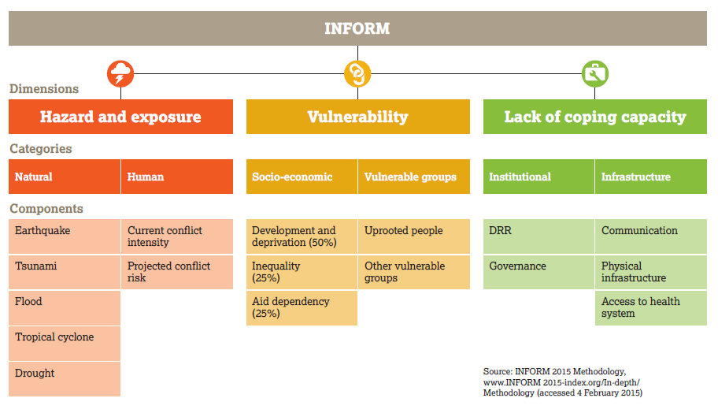
Disclaimer The depiction and use of geographic names and related data included in lists, tables on this spreadsheet are not warranted to be error free nor do they necessarily imply official endorsement or acceptance by the United Nations.
For further information:
http://inform.jrc.ec.europa.eu/

